1. Title Page
Customer Analysis

Project Name: Instacart Customer Analysis
Date: 7/13/24
Analyst Name: Rajit Sikka

Contents:
Population Flow
Consistency checks
Wrangling steps
Column derivations
Visualizations
Recommendations

2. Population Flow
Title page

Population flow

Exclusion flag
Condition: max_order >= 5
Obervations to be removed: 1,440,295
Final total count of order_products_all:30,964,564

Orders_products_combined
Orders_products_merged
Orders_products_all
(customers_orders_merged_49)

Total: 32,404,859
Total: 32,434,489
Total:32,404,859

1.) The grey boxes in the first row of the population flow represent the original data sets as they were when you downloaded them. In the Total fields you need to add the count of the rows when you imported the data set into Jupyter.
2.) The second row of boxes (coloured) represents the data sets after you manipulated them, e.g., removed missing values and duplicates. In the Total fields you need to add the count of the rows after conducting these operations. This offers a visual oveview of how the data flows throughout the data consistency checks.
3.) The third row, where also the arrows are coloured, represents the merges you performed between the datasets. In the Total fields you need to add the count of the rows in the merged datasets, so that you end up with the final dataset (in the red box). Keep in mind the final dataset should be without exclusions (based on the exclusion flag).

3. Consistency checks
 |  |  |  | Title page
Consistency checks

Dataset | Missing values | Missing values treatment | Duplicates
orders | None | N/A | None
products | 16 | removed | 5
orders_products_prior | None | N/A | None
customers | First Name | Removed First_name column from dataframe | None

4. Wrangling steps
 |  |  |  | Title page
Wrangling steps

Columns dropped | Columns renamed | Columns' type changed | Comment/Reason
eval_set | orders_dow -> orders_day_of_week | order_id (int64) -> string
First Name |  | user_id (int64) -> string | Personal Identifiable Information, Not Necessary for analysis
Last Name | surname to Last Name |  | Personal Identifiable Information, Not Necessary for analysis
merge,_merge,unamed:0_x, unamed:0_y,exists | n_dependants to Dependants |  | misc columns that were created when merging dataframes
 | STATE to State
 | price_range_loc -> price_range

5. Column derivations
 |  |  |  | Title page

Column derivations and aggregations

In this tab you should add tables below that the frequences of flags/label variables that you produced after deriving them. NB: don't do this for continuous variables, only for flags.
Dataset | New column | Column/s it was derived from | Conditions
orders_products_merged | price_range_loc | prices | Low Range Product = less than 5,Mid-Range Product = between 5 and 15, and High Range Product has a price greater than 15
orders_products_merged | busiest_day | order_dow (order_day_of_week) | Busiest day : order_dow = 0,Least Busy: order_dow = 4, Regularly busy: all other numbers
orders_products_merged | Store_Activity | order_dow (order_day_of_week) | Busiest Days: order_dow = 0/1, Slowest Days: order_dow = 3/4, Regular Days: All other order_dow values
orders_products_merged | busiest_period_of_day | order_hour_of_day | Most Orders: value range from 9 to 16, Average Orders: values 7,8 & 17 to 22, Fewest Orders: values 0 - 6 & 23
orders_products_merged | max_order | user_id, order_number | looked for the max order_number value for each user_id and outputted that value as max_order
orders_products_merged | loyalty_flag | max_order | Loyal Customer: max_order greater than 40, Regular Customer: max_order between 10 and 40, New Customer: max_order less than or equal to 10
orders_products_merged | avg_spent | user_id,prices | Grouped orders by user id and calculated the avg spent using mean function
orders_products_merged | spending_flag | avg_spent | Low Spender: avg_spent <10, High Spender: avg_spent >= 10
orders_products_merged | median_order_frequency | user_id, days_since_prior_order | Calculated median for days_since_prior_order based on each user_id
orders_products_merged | frequency_flag | median_order_frequency | Non-Frequent Customer: median_order_frequncy > 20, Regular Customer: median_order_frequency between 10 and 20, Frequent Customer: median_order_frequency >= 10
orders_products_all | Region | State | Grouped States into 4 Regions based on https://simple.wikipedia.org/wiki/List_of_regions_of_the_United_States
orders_products_all | Income_Range | income | Lower Class: Income < 50,000, Middle Class: Income between 50,000 and 100,000, Upper Class: Income between 100,000 and 250,000, Wealthy: Income > 250,000
orders_products_all | Age_Range | Age | Young Adult: Age between 18 and 35, Middle Adult: Age between 35 and 64, Late Adult: Age > 64
orders_products_all | Customer_Profile | Age_Range, dependants | Young Parent: Age_Range = Young Adult & atleast 1 dependant Middle Parent: Age_Range = Middle Adult & atleast 1 dependant Late Adult: Age_Range = Late_Adult & atleast 1 dependant Single Young Adult: Age_Range = Young Adult & no dependants Single Middle Adult: Age_Range = Middle Adult & no dependants Late Adult: Age_Range = Late Adult & no dependants
orders_products_all | avg_order_day | user_id,order_dow | calculating the average day each user_id shopped on
orders_products_all | Shop_Day | avg_order_day | Weekday Shopper: avg_order_day is between 0 and 3, Weekend Shopper: avg_order_day from 4 to 6

6. Visualizations
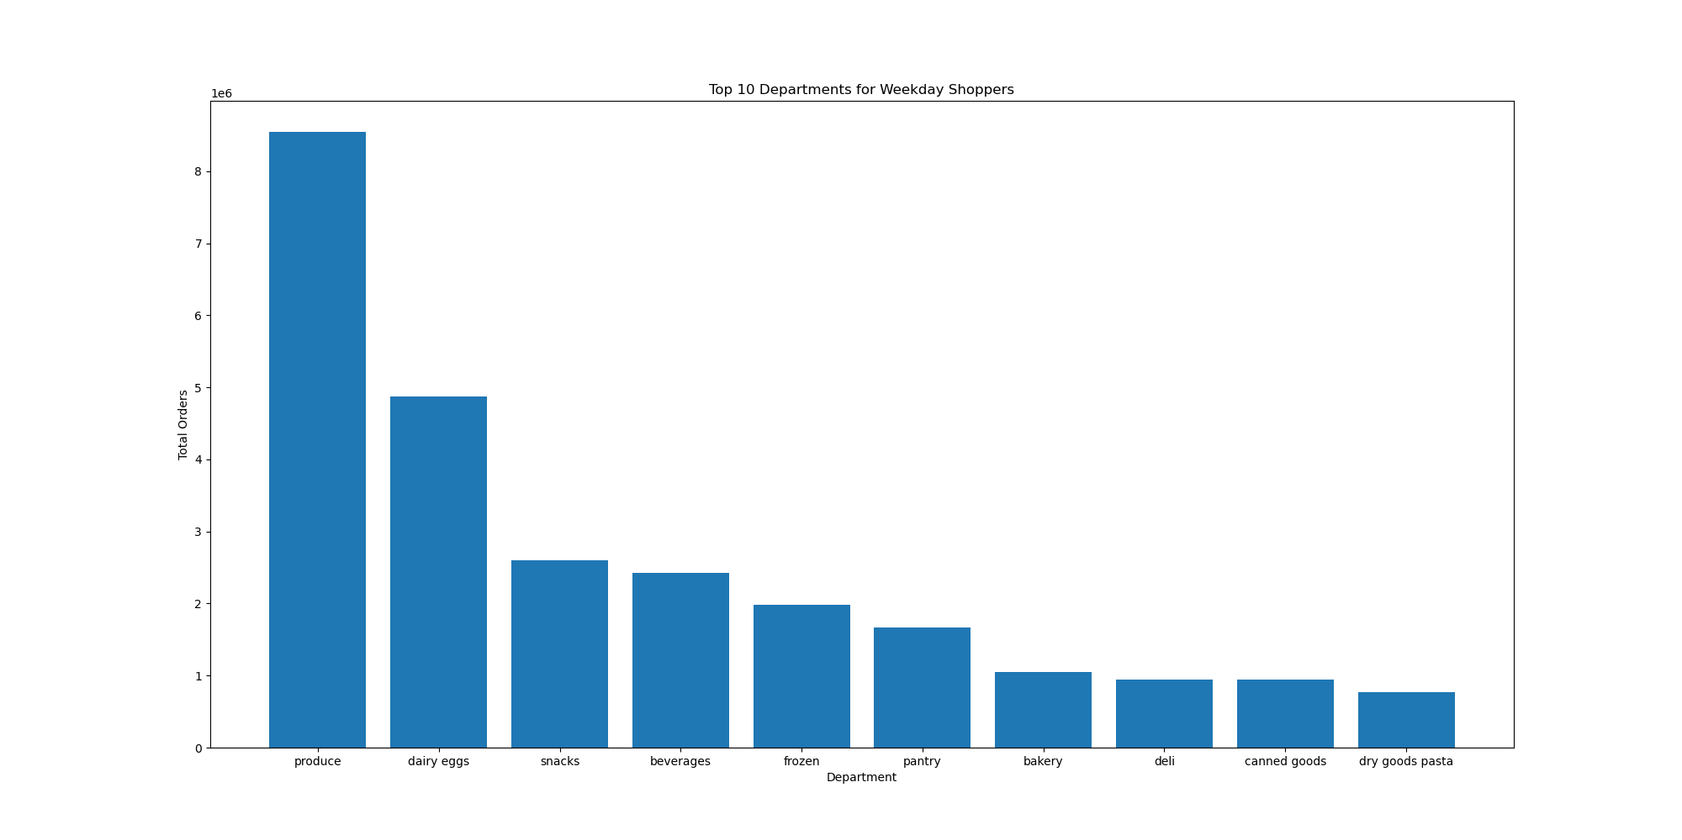

 |  |  |  |  |  | Title page

Visualisations

In this tab you should include all the visualtions from Exercises 4.9 and 4.10, alongside the questions from the project brief that they answer. Include any commentary on the relationship between different variables. Please Zoom out to 100% for a bit easier view. (Zoom in to view specific charts)

4.9 Visualizations



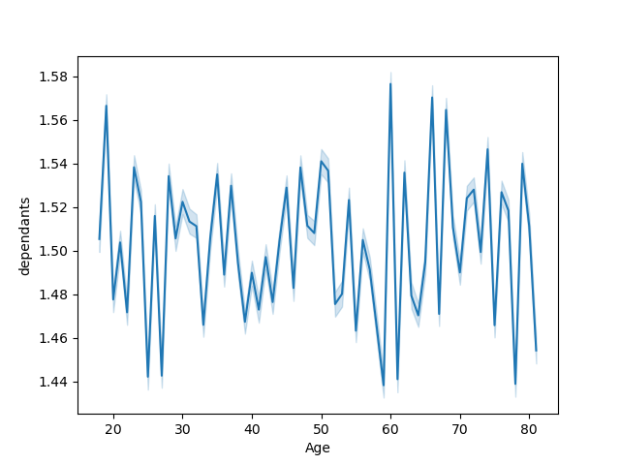
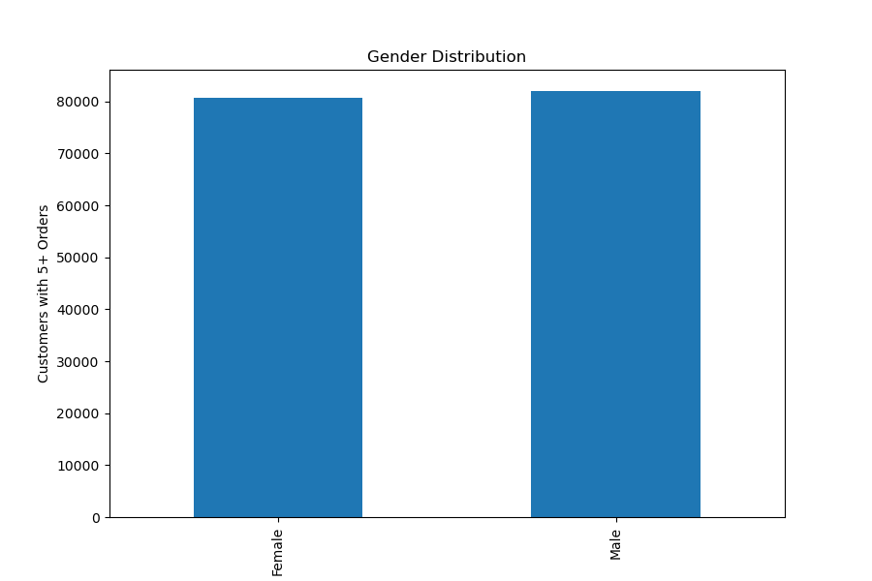
 |  | Pictured to the left is a bar chart of the total number of orders for each day (0 being Monday, 6 being Sunday). We can notice how orders start high and slowly decrease throughout the week, before picking back up towards the weekend. On the right is a histogram showing the distribution of the prices of products. From the chart we can see that the majority of products are priced between 0 and 15 dollars with very few priced more than that. The max being 25 dollars.
 |  |  |  |  |  |  |  | With the chart on the left we have a line chart showcasing how many dependants each age group has. There is no real deviations as age increasing as the average remains around 1.5 dependants

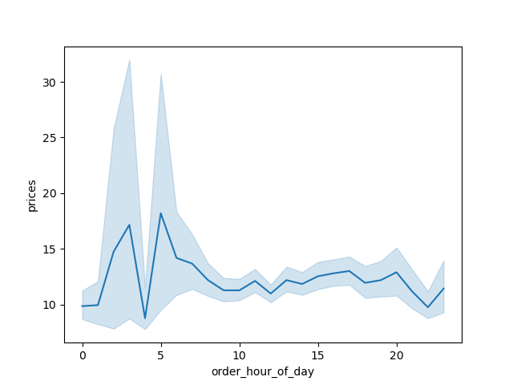


 |  | From the line chart prices have slight fluctuations in the early hours, but level out after hour 5.

 |  |  |  |  |  |  |  | On the left, we have a scatterplot showcasing the distribution of Income across each age. From the chart there is a slight increase in income as age increases, but the majoirty of people are less than 200,000.

4.10 Visualizations

Customer Overview |  |  |  |  | Below I have broken down our main customer base (people who have atleast 5 orders) into some important categories (Gender, Customer Profile, Age, Region, Income, and Shop Day). Here are some key insights for each of the charts: 1)In total we have a little more than 162,000 customers 2)We have a practically even distribution between each gender 3) The South Region holds the most customers, but other regions still hold a respectable amount of customers. 4) The majority of our customer base is middle and upper class 5) The majority of shopping is done on weekdays 6) Middle age adults/parents are our largest customer base.

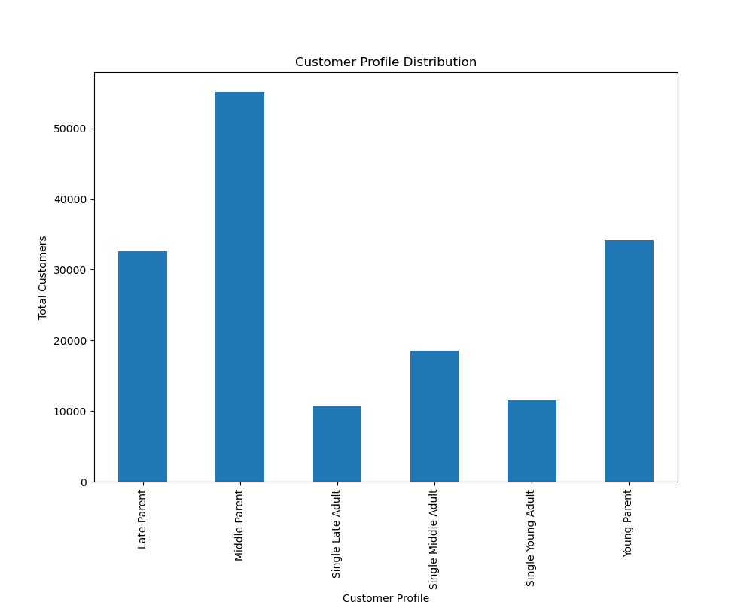
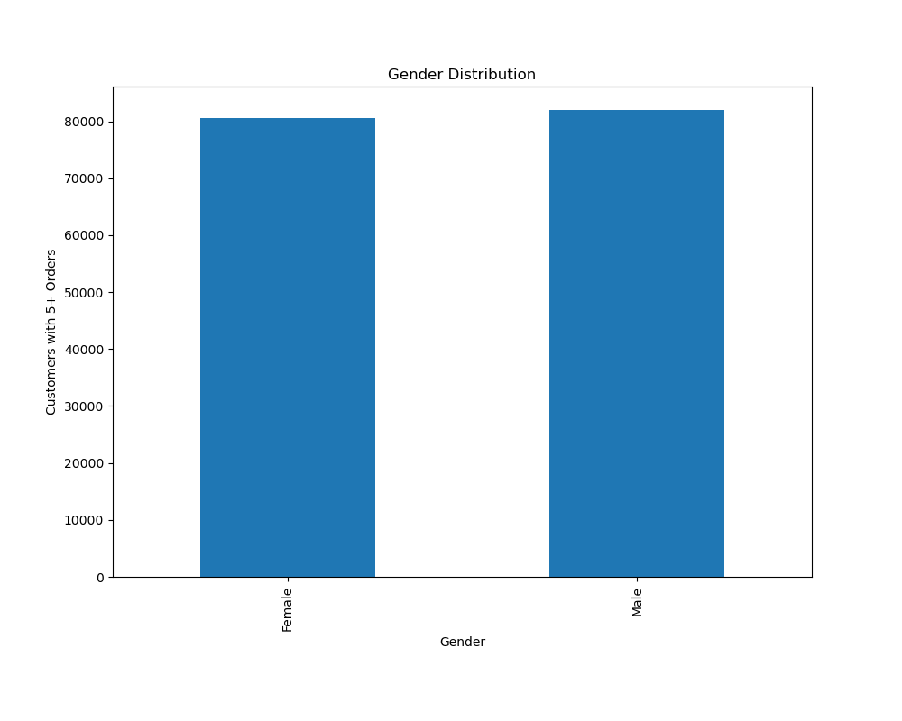
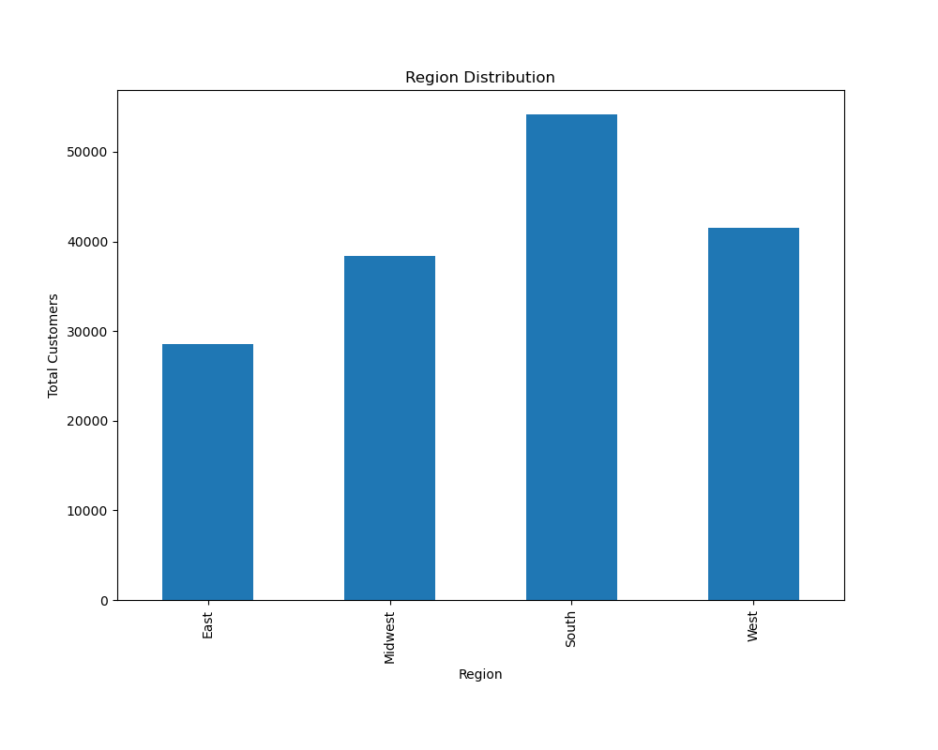

 | Classification for customer profile is based on dependants and age. Having atleast 1 dependant classifies as a parent, Age is grouped in intervals: Young (17 - 35), Middle (36 - 64) Late (64+) |  |  | Our customer base is almost practically split 50/50 between male and female customers. |  |  | Region is grouped based on the list of region for the United States

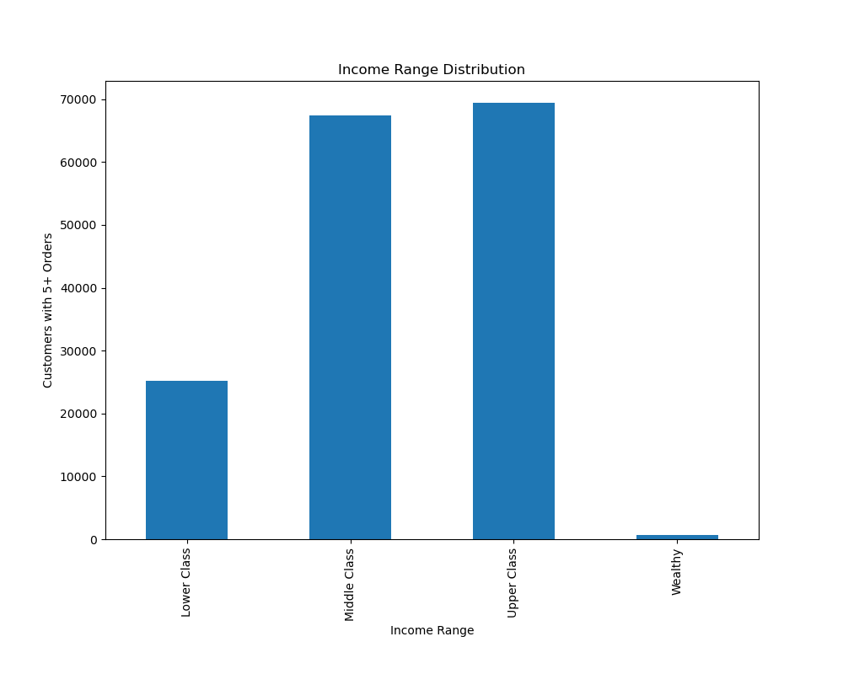
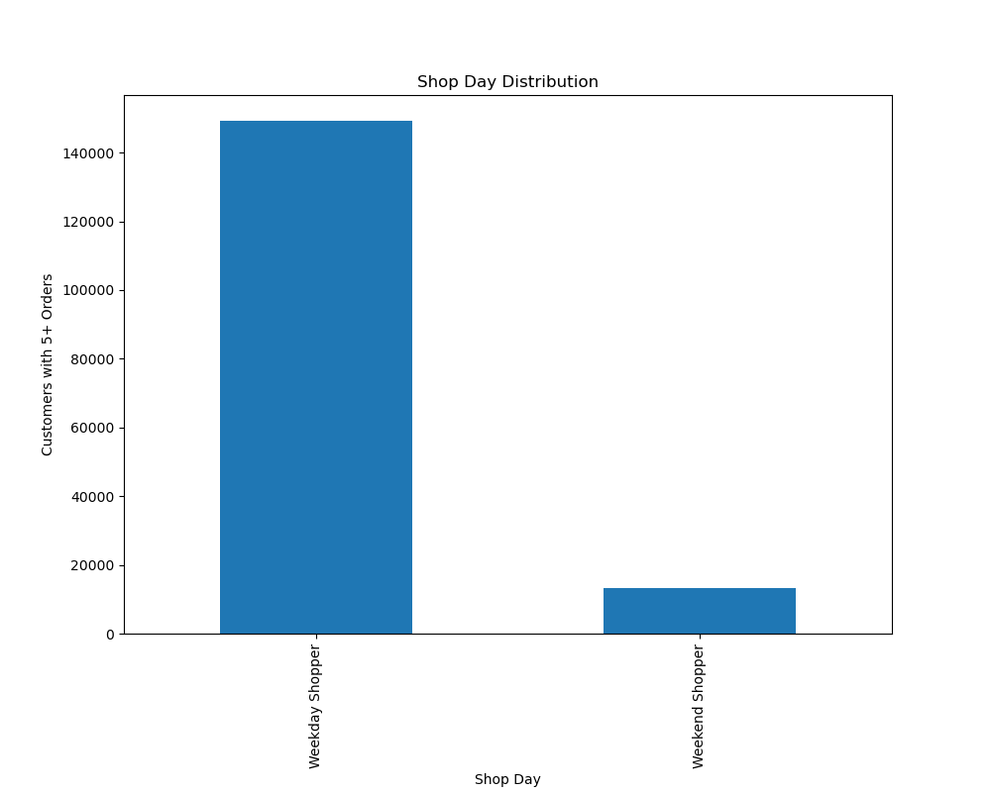
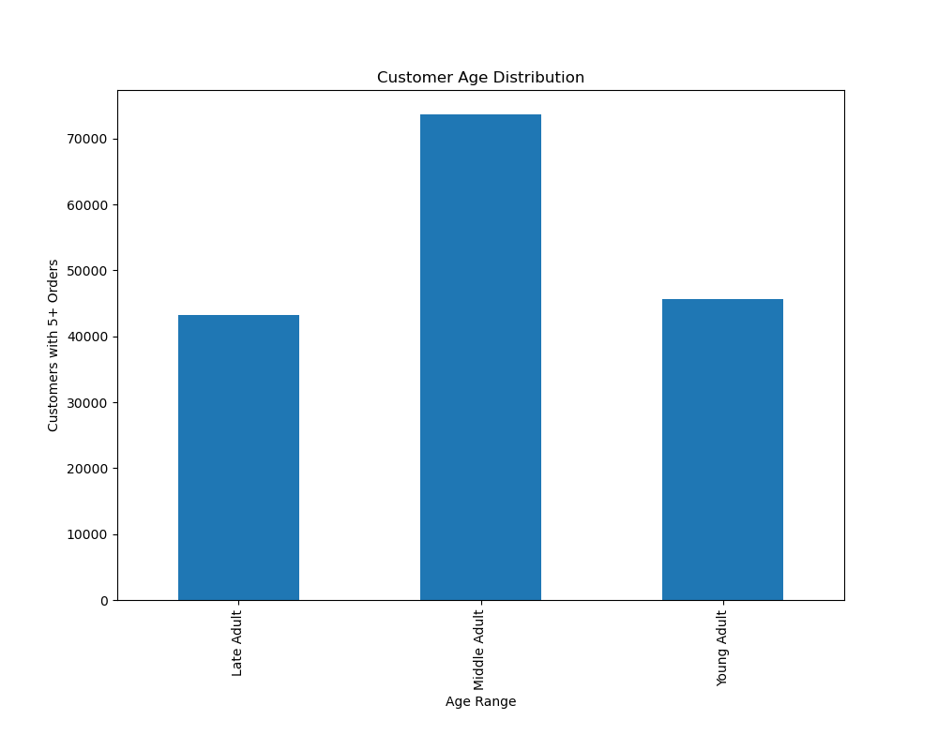

 | Income is broken down into 4 tiers: Lower Class (Income less than $50,000), Middle Class (Income between $50,000 and $100,000), Upper Class (Income between $100,000 and $250,000), and Wealthy (income above $250,000). Only 631 customers have an income over $250,000 |  |  | 92% of our customers tend to shop around weekdays (Mon - Thurs) |  |  | Late and Young Adults have close to the same amount of customers, while Middle Adults make up the most.

Expenditure Overview |  |  |  |  | With customer expenditure each of the main variables in customer overview and see how those variables changed when analyzing how much a customer spent. The only notable insights came from income range and shop day (shown below). Customer expenditure (in this context average spent) was the same when looking at gender, customer profile, age, and region.

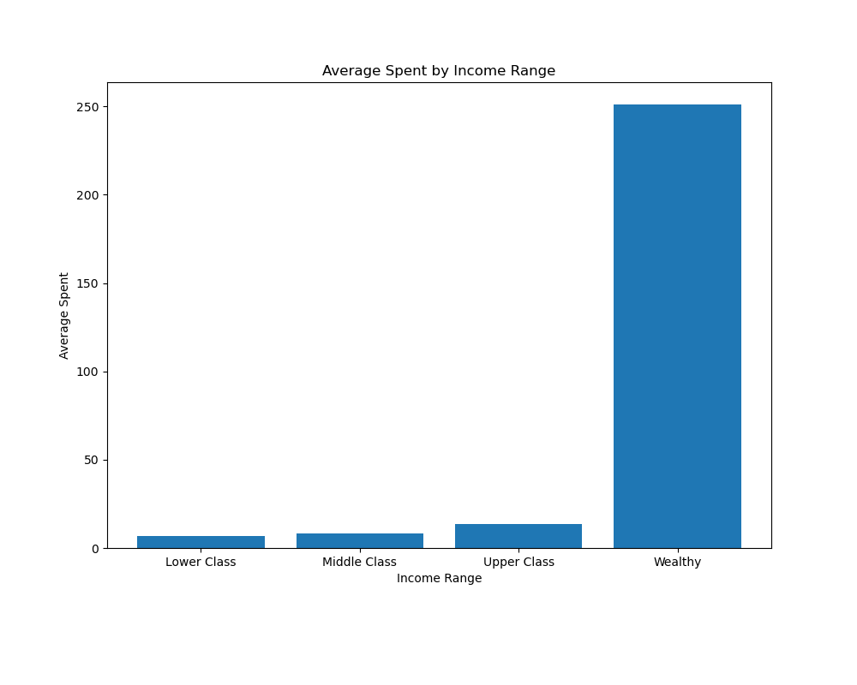
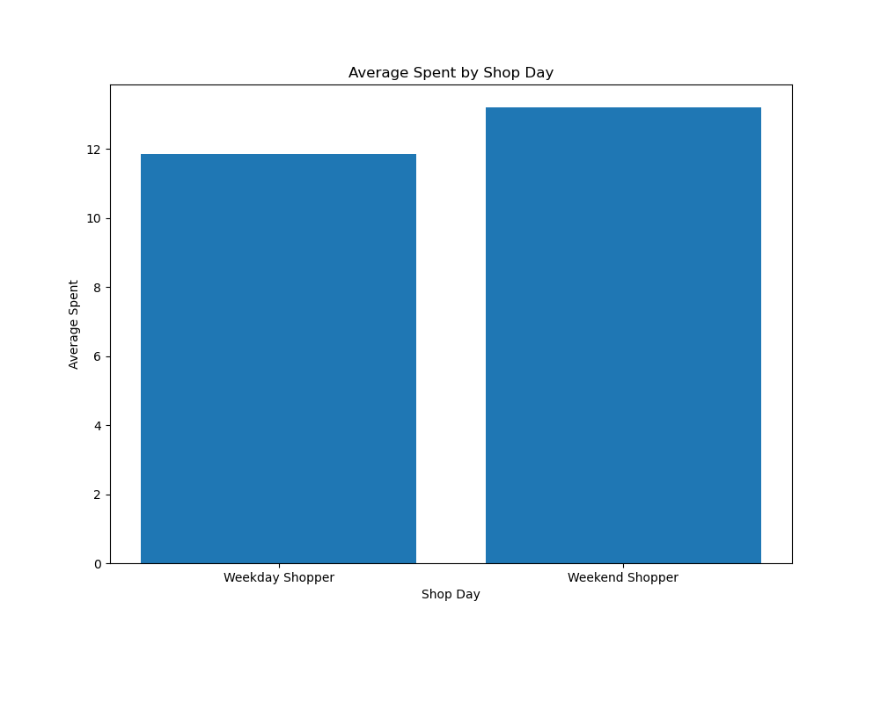

 |  |  | Average spent gradually increases as income increases, but explodes once a customer has over 250,000 net income (wealthy). A wealthy customer($251 average order) will spend close to 19x on average compared to an upper class customer ($13.50 average order) |  |  |  |  |  | Despite customers prefering to shop on weekdays over weekends, customers tend to spend slighlty more on weekends.

Frequency Overview |  |  |  |  | With frequency I used average total customer orders and analyzed how it changed across all the different variables. Shop Day and Income Range had the only significant changes (charts below) once more.

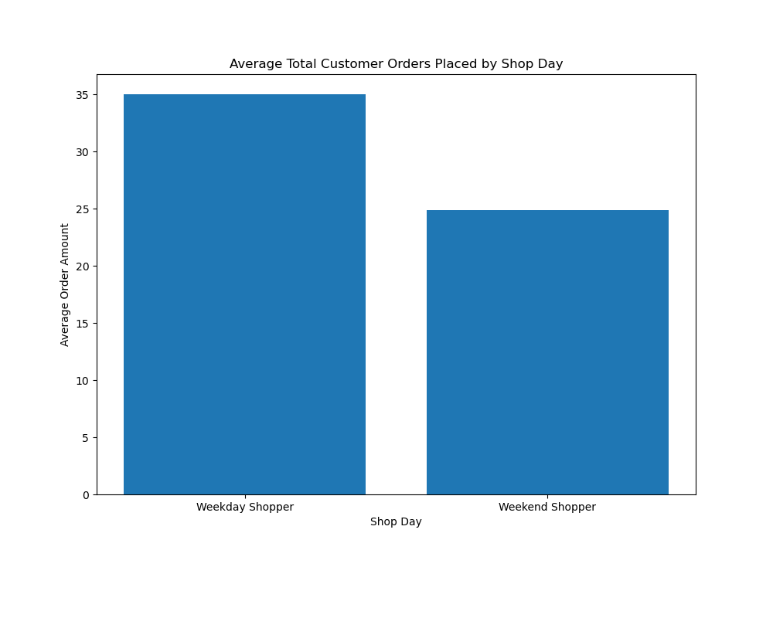
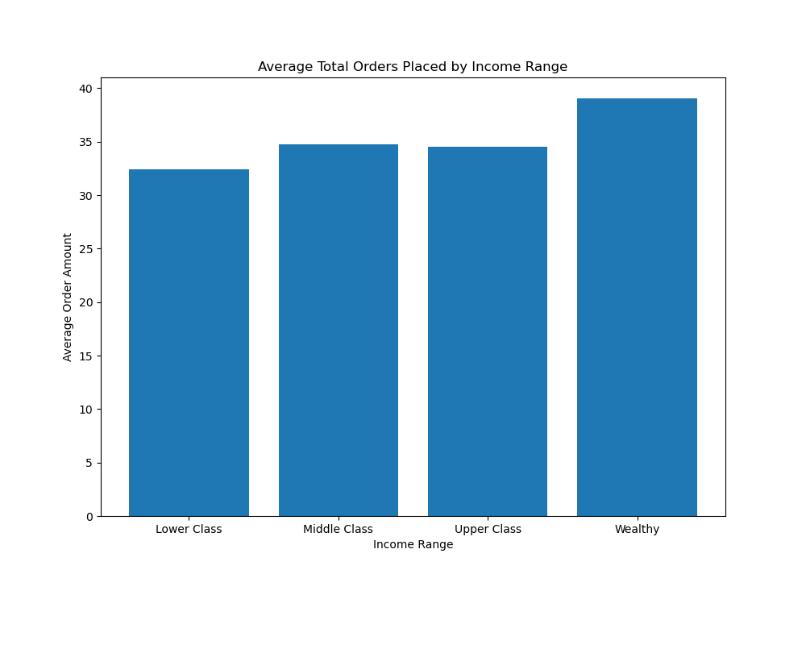

 |  |  | Weekday Customers place about 10 more orders on average compared to Weekend Customers. |  |  |  |  |  | Middle class customers place slightly more orders than upper class, but we see a steady increase as income range increases.

Region Overview |  |  |  |  | Below I created some stacked bar charts to 1) look at the distribution of customers across the 4 regions 2) See the distribution within a secondary variable (age and income). This was to see if any regions were worth prioritizing over others.

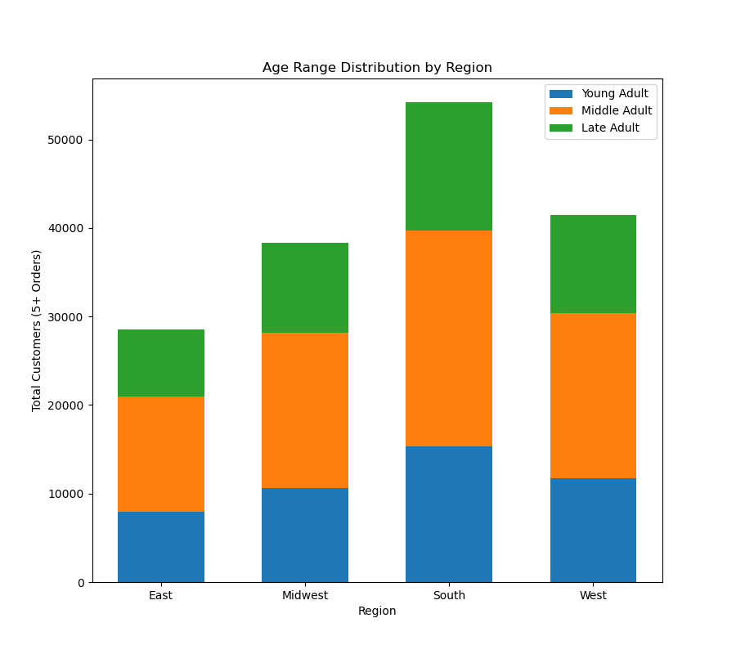
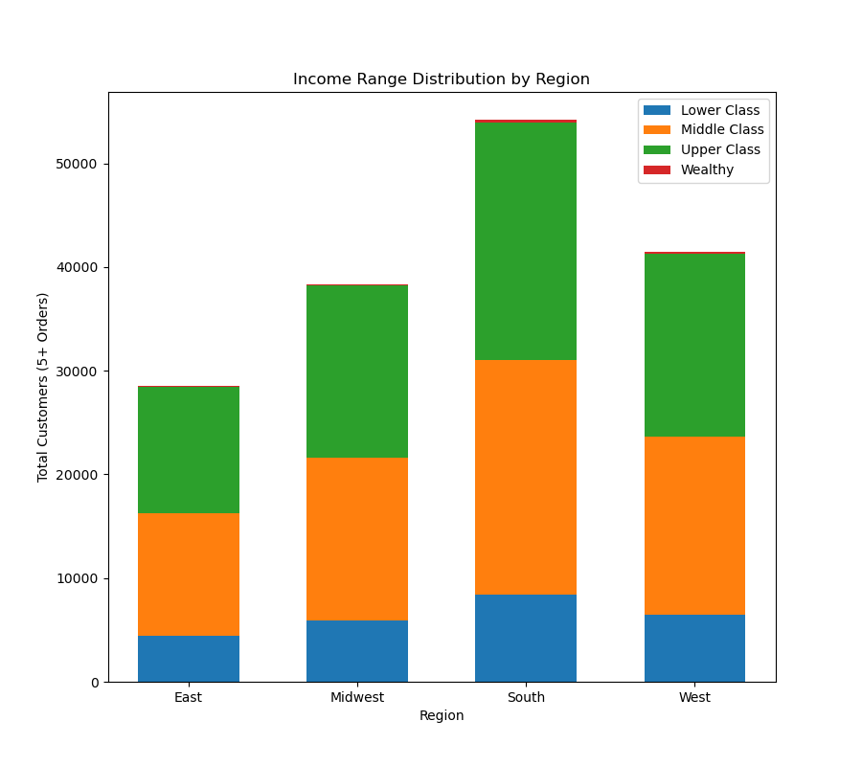

 |  |  |  |  |  |  |  |  | Similar to how Age Range Distribution by Region follows the overall Age Range Distribution, Income Range follows suit.
 |  |  | With Age Range Distribution, each region follows closely to the overall distribution for Age Range (Young Adult and Late Adult being almost even to eachother with Middle Adults being the largest Age Range).

Department Overview |  |  |  |  | Below we have pie charts for the top 5 departments for each income range. Some notable insights are: 1) As income increases, demand for frozen food, dairy/eggs increases 2)The top 5 departments for each income range is consistent across each income range (Produce, Dairy/Eggs, Beverages, Snacks, Frozen). While there may be slight changes in demand for each one at the very least these categories remain at the top.

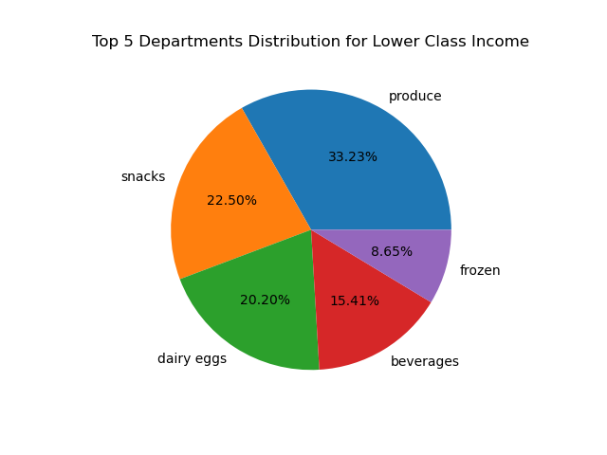
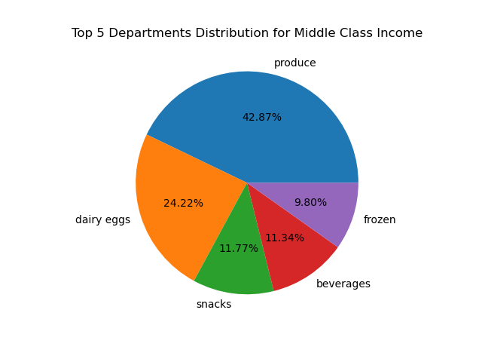
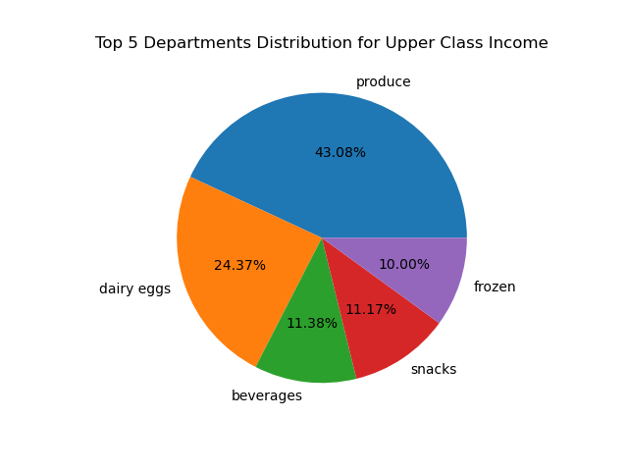
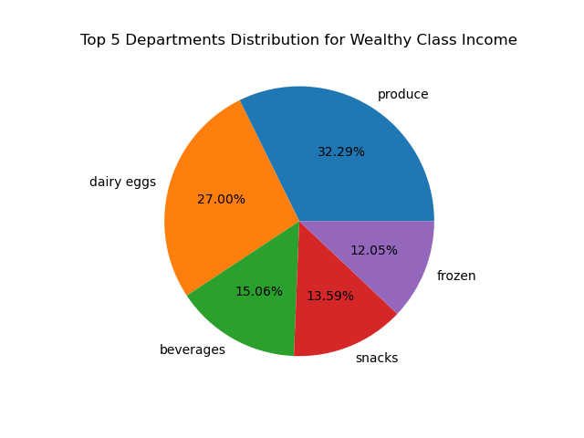

Departments Continued |  |  |  |  | Finally I wanted to compare the top 10 deparments for each shop day. In short, the top 5 categories are consistent with income range (produce,dairy eggs, beverages, snacks, frozen), but slight differences with the latter 4 departments. Canned goods are slightly more prioritized on weekdays compared to weekends.

7. Recommendations
 | Title page

Recommendations

In this tab you should include any recommendations you would made to Instcart in terms of their marketing strategy based on the questions posed in the brief. Every key question has been covered in the Tasks of the Exercises - here you need to add an item - a visualisation or table/crosstable that is showing the answer in the data, acompanied by a comment from you. Please, list the questions below and add the answer underneath.

1) How many customers have we had so far?

We have had a little more than 162,000 unique customers (that have atleast placed 5 orders)

2) What Days do our customers shop on?

Our Customers shop on all days of the week, but shop more on weekdays (Monday -> Thursday).

3) What are the top departments that customers buy from?

The top 5 departments are consistently produce, dairy/eggs, beverages, snacks, and frozen items. There are slight deviations based on factors such as income range, but these departments are consistently at the top.

4) How should a marketing budget/supply budget be allocated based on each region?

Instacarts budget should be allocated based on the region customer base. From largest to smallest we prioritize South, West, Midwest, and East respectively.

5) What is our age demographic?

About 50% of our customer base is middle age (between 35 and 64), about 25% for both Late Adults and Young Adults.

6) What are the different types of customer profiles for our user base?

Most of our customer base is parents (at least 1 dependant) with Middle Parents being the largest group.

7) What is the income of our customers?

The majority of our customer base falls in the middle or upper class territory. Wealthy has a tiny customer base, while lower class is modest in size

